National
National score
Statistics
REGR factor score 1 for analysis 1
N | Valid | 23901
 | Missing | 0
Mean |  | 0.2995594
Median |  | 0.1081087
Mode |  | 0.32961
Std. Deviation |  | 1.13040035
Skewness |  | 0.575
Std. Error of Skewness |  | 0.016
Kurtosis |  | -0.501
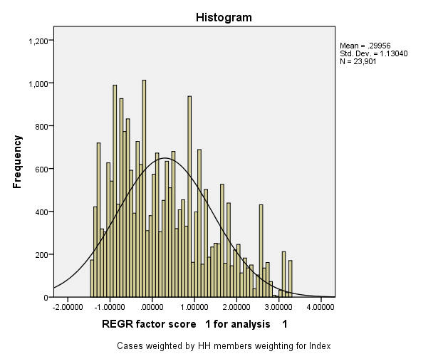
Std. Error of Kurtosis |  | 0.032
Minimum |  | -1.43546
Maximum |  | 3.23870
Percentiles | 20 | -0.7434492
 | 40 | -0.2256664
 | 60 | 0.4857353
 | 80 | 1.2958464

Report
Mean
Wealth Index Quintiles | 1 | 2 | 3 | 4 | 5 | Total
if water is piped into residence + 7 bottled water | 0.004 | 0.013 | 0.080 | 0.230 | 0.719 | 0.2088
if water is piped into compound/plot | 0.004 | 0.078 | 0.245 | 0.434 | 0.238 | 0.1999
if gets water from a public tap | 0.192 | 0.206 | 0.177 | 0.086 | 0.015 | 0.1352
if gets water from an open well in residence | 0.061 | 0.124 | 0.098 | 0.046 | 0.004 | 0.0667
if gets water from an open well in yard | 0.083 | 0.083 | 0.095 | 0.055 | 0.007 | 0.0646
if gets water from a public open well | 0.136 | 0.225 | 0.150 | 0.034 | 0.003 | 0.1094
if gets water from a protected well in residence | 0.023 | 0.034 | 0.025 | 0.052 | 0.006 | 0.028
if gets water from a protected well in yard | 0.019 | 0.036 | 0.053 | 0.034 | 0.005 | 0.0292
if gets water from a protected public well | 0.203 | 0.128 | 0.061 | 0.022 | 0.004 | 0.0837
if gets water from a protected spring | 0.026 | 0.021 | 0.006 | 0.003 | 0.000 | 0.0111
if gets water from an unprotected spring | 0.122 | 0.023 | 0.008 | 0.003 | 0.000 | 0.03
if gets water from surface + 10 other | 0.127 | 0.022 | 0.003 | 0.000 | 0.000 | 0.03
if uses flush toilet | 0.000 | 0.010 | 0.045 | 0.181 | 0.678 | 0.18
if uses pit latrine | 0.115 | 0.480 | 0.717 | 0.675 | 0.264 | 0.45
if uses own vip latrine | 0.022 | 0.041 | 0.077 | 0.089 | 0.055 | 0.06
if uses the bush | 0.863 | 0.459 | 0.162 | 0.055 | 0.004 | 0.31
if household has electric | 0.026 | 0.200 | 0.807 | 0.982 | 0.998 | 0.60
if household has radio | 0.299 | 0.653 | 0.643 | 0.887 | 0.953 | 0.69
if household has tv | 0.002 | 0.032 | 0.285 | 0.815 | 0.984 | 0.42
if household has fridge | 0.000 | 0.000 | 0.019 | 0.093 | 0.670 | 0.16
if household has bicycle | 0.502 | 0.597 | 0.447 | 0.278 | 0.189 | 0.40
if household has motorcycle or scooter | 0.054 | 0.107 | 0.179 | 0.203 | 0.211 | 0.15
if household has car or truck | 0.002 | 0.000 | 0.003 | 0.009 | 0.254 | 0.05
if household has phone | 0.000 | 0.009 | 0.046 | 0.376 | 0.860 | 0.26
if has a cart | 0.021 | 0.031 | 0.016 | 0.017 | 0.013 | 0.02
if floor is earth/mud/sand | 0.649 | 0.172 | 0.033 | 0.002 | 0.000 | 0.17
if floor is dung | 0.027 | 0.015 | 0.001 | 0.000 | 0.000 | 0.01
if floor is of wood planks | 0.008 | 0.003 | 0.006 | 0.004 | 0.003 | 0.00
if has linoleum flooring | 0.000 | 0.000 | 0.017 | 0.079 | 0.078 | 0.03
if flooring is of ceramic tiles | 0.000 | 0.007 | 0.020 | 0.039 | 0.379 | 0.09
if floor is of cement | 0.313 | 0.778 | 0.905 | 0.856 | 0.520 | 0.67
if has carpeted flooring + 13 cases parquet | 0.003 | 0.019 | 0.013 | 0.020 | 0.020 | 0.01

